SHAFT CLAMP BRACKET
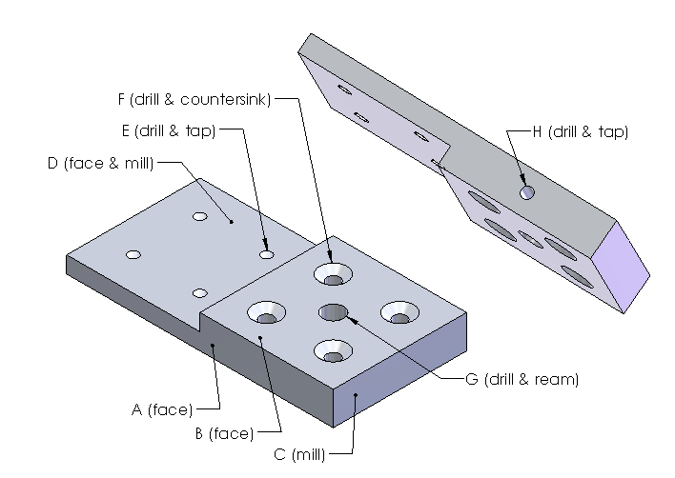
EML2322L Time Estimation for Part Manufacturing

Part Name / Number: SHAFT CLAMP BRACKET

MANUFACTURING PROCESS |  | Student Experience Level
 |  | BEGINNER | INTERMEDIATE
 |  | [min] | [min]

mark & cut 1/2" x 2" rectangular bar stock on bandsaw |  | 12 | 7
load part and endmill into mill |  | 8 | 5
face first pair of sides (1/2" x 4") [A] |  | 10 | 7
face second pair of sides (2" x 4") [B] |  | 15 | 12
mill part to final (4") length [C] |  | 20 | 15
machine 2" x 2" x 1/4" step into part [D] |  | 30 | 20
find X, Y zeros using edgefinder |  | 10 | 8
drill and tap (4) 10-24 threaded holes, 0.25" deep [E] |  | 40 | 35
drill and countersink (4) #10 clearance holes, 0.5" deep [F] |  | 25 | 20
drill and ream precision 5/16" hole, 0.5" deep [G] |  | 20 | 12
turn part 90-deg and reload into vise |  | 3 | 2
find X, Y zeros using edgefinder |  | 10 | 8
drill and tap (1) 10-24 threaded hole, 0.75" deep [H] |  | 15 | 12

time to debur part between steps |  | 15 | 10
time to clean machine when finished |  | 10 | 8

ESTIMATED MANUFACTURING TIME: | [min] | 243 | 181
 | [hr] | 4.1 | 3.0

NOTE 1: times are estimates based on experience; BEGINNER times are how long each task should take the first time a TA explains it during the assigned parts manufacturing in the first half of the semester; INTERMEDIATE times are how long it would take a competent student who paid attention and attended office hours to repeat a similar task; ask a TA if you have questions about any of the time estimates.

NOTE 2: refer to the image(s) shown below for clarification of the tasks / features detailed in the table above; when detailing manufacturing time estimates for your individual concepts, include a sketch of each part; however sketches can be hand drawn or copied from your DR1 submission; they do not need to be fancy or CAD generated, only detailed enough to show key part features.

NOTE 3: there are 7 different sheets (pages) in this workbook which are accessed by selecting the various tabs at the bottom of the page.

WHEEL HUB
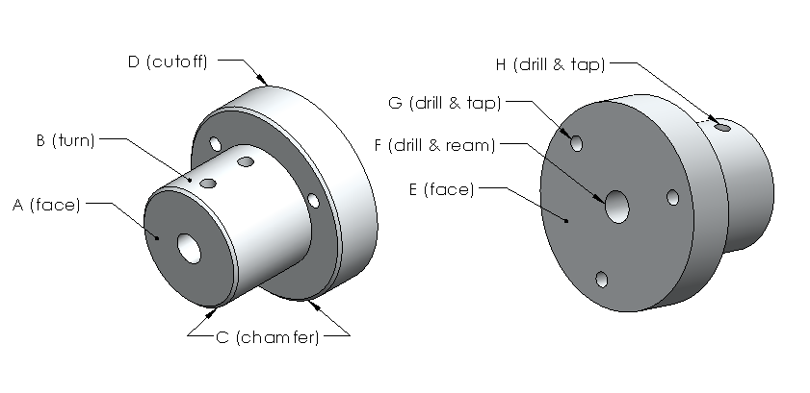
EML2322L Time Estimation for Part Manufacturing

Part Name / Number: WHEEL HUB

MANUFACTURING PROCESS |  | Student Experience Level
 |  | BEGINNER | INTERMEDIATE
 |  | [min] | [min]

mark & cut 2" dia. bar stock on bandsaw |  | 12 | 7
load part and cutting tool into lathe |  | 8 | 5
face first end of part [A] |  | 5 | 3
turn main shoulder on part [B] |  | 35 | 20
cut chamfers on front (2) edges of part [C] |  | 5 | 3
mark & cutoff part to ~1.6" on bandsaw [D] |  | 12 | 7
reload part into lathe and face second end of part [E] |  | 7 | 5
drill and ream precision 5/16" center hole, 1.5" deep [F] |  | 25 | 15
load part and drill chuck into mill |  | 8 | 6
find X, Y zeros using edgefinder |  | 10 | 8
drill and tap (3) 10-24 threaded holes, 0.5" deep [G] |  | 30 | 25
turn part 90-deg and reload into vise |  | 3 | 2
find X, Y zeros using edgefinder |  | 10 | 8
drill and tap (2) 10-24 threaded hole, 0.5" deep [H] |  | 20 | 15

misc. time to debur part between steps |  | 5 | 4
time to clean machines when finished |  | 20 | 16

ESTIMATED MANUFACTURING TIME: | [min] | 215 | 149
 | [hr] | 3.6 | 2.5

NOTE 1: times are estimates based on experience; BEGINNER times are how long each task should take the first time a TA explains it during the assigned parts manufacturing in the first half of the semester; INTERMEDIATE times are how long it would take a competent student who paid attention and attended office hours to repeat a similar task; ask a TA if you have questions about any of the time estimates.

NOTE 2: refer to the image(s) shown below for clarification of the tasks / features detailed in the table above; when detailing manufacturing time estimates for your individual concepts, include a sketch of each part; however sketches can be hand drawn or copied from your DR1 submission; they do not need to be fancy or CAD generated, only detailed enough to show key part features.

EXAMPLE MOTOR MOUNT BRACKET
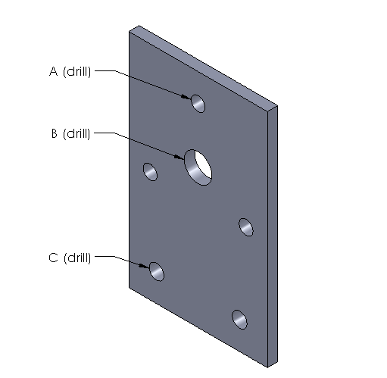
EML2322L Time Estimation for Part Manufacturing

Part Name / Number: EXAMPLE MOTOR MOUNT BRACKET

MANUFACTURING PROCESS |  | Student Experience Level
 |  | BEGINNER | INTERMEDIATE
 |  | [min] | [min]

mark & cut 3/16" x 2.5" bar stock on bandsaw |  | 10 | 8
load part(s) into milling machine vise |  | 5 | 3
find X, Y zeros using edgefinder |  | 10 | 8
drill (3) clearance holes for motor mounting, thru [A] |  | 20 | 15
drill (1) clearance hole for motor shaft clearance, thru [B] |  | 15 | 10
drill (2) clearance holes for bracket mounting, thru [C]

time to debur part between steps |  | 5 | 3
time to clean machine when finished |  | 7 | 5

ESTIMATED MANUFACTURING TIME: | [min] | 72 | 52
 | [hr] | 1.2 | 0.9

NOTE 1: times are estimates based on experience; BEGINNER times are how long each task should take the first time a TA explains it during the assigned parts manufacturing in the first half of the semester; INTERMEDIATE times are how long it would take a competent student who paid attention and attended office hours to repeat a similar task; ask a TA if you have questions about any of the time estimates.

NOTE 2: refer to the image(s) shown below for clarification of the tasks / features detailed in the table above; when detailing manufacturing time estimates for your individual concepts, include a sketch of each part; however sketches can be hand drawn or copied from your DR1 submission; they do not need to be fancy or CAD generated, only detailed enough to show key part features.

ENTSTORT WHEEL HUB
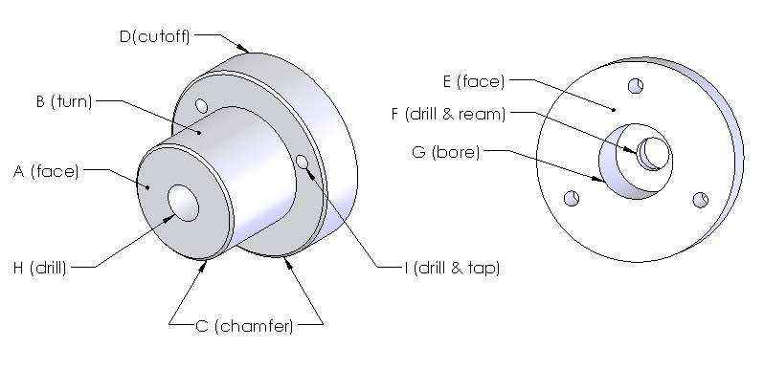
EML2322L Time Estimation for Part Manufacturing

Part Name / Number: ENTSTORT WHEEL HUB

MANUFACTURING PROCESS |  | Student Experience Level
 |  | BEGINNER | INTERMEDIATE
 |  | [min] | [min]

mark & cut 2" dia. bar stock on bandsaw |  | 12 | 7
load part and cutting tool into lathe |  | 8 | 5
face first end of part [A] |  | 5 | 3
turn main shoulder on part [B] |  | 35 | 20
cut chamfers on front (2) edges of part [C] |  | 5 | 3
mark & cutoff part to ~1.6" on bandsaw [D] |  | 12 | 7
reload part into lathe and face second end of part [E] |  | 7 | 5
drill and ream precision center hole, 1.5" deep [F] |  | 25 | 15
bore 3/4" dia center hole, 0.9" deep [G] |  | 12 | 10
rotate part 180-deg and reclamp in lathe chuck |  | 3 | 1
drill 10mm dia center hole, 0.4" deep [H] |  | 8 | 5
load part and drill chuck into mill |  | 8 | 6
find X, Y zeros using edgefinder |  | 10 | 8
drill and tap (3) 10-24 threaded holes, 0.5" deep [I] |  | 30 | 25

misc. time to debur part between steps |  | 5 | 4
time to clean machines when finished |  | 20 | 16

ESTIMATED MANUFACTURING TIME: | [min] | 205 | 140
 | [hr] | 3.4 | 2.3

NOTE 1: times are estimates based on experience; BEGINNER times are how long each task should take the first time a TA explains it during the assigned parts manufacturing in the first half of the semester; INTERMEDIATE times are how long it would take a competent student who paid attention and attended office hours to repeat a similar task; ask a TA if you have questions about any of the time estimates.

NOTE 2: refer to the image(s) shown below for clarification of the tasks / features detailed in the table above; when detailing manufacturing time estimates for your individual concepts, include a sketch of each part; however sketches can be hand drawn or copied from your DR1 submission; they do not need to be fancy or CAD generated, only detailed enough to show key part features.

EXAMPLE SHEETMETAL PART
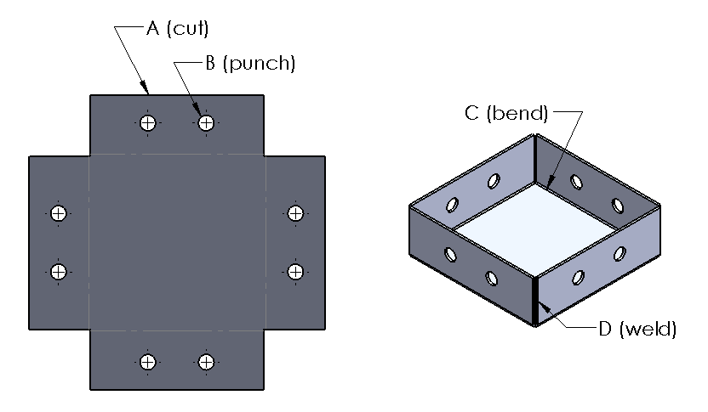
EML2322L Time Estimation for Part Manufacturing

Part Name / Number: EXAMPLE SHEETMETAL PART

MANUFACTURING PROCESS |  | Relative Part Complexity
 |  | SIMPLE | MORE COMPLEX
 |  | [min] | [min]

select to material blank from which to make part |  | 5 | 10
layout cut and fold lines using full scale paper template |  | 10 | 20
cut part to overall size using foot shear or bandsaw [A] |  | 7 | 12
center punch hole locations using a hammer and punch |  | 3 | 5
if possible, punch holes using sheetmetal punch press [B] |  | 7 | 12
bend sides or tabs of part using sheetmetal brake(s) [C] |  | 5 | 20
weld corners of part for additional strength or stiffness, or weld part to another to create a larger assembly [D] |  | 15 | 25

time to debur part between steps |  | 5 | 7
time to dispose of material scraps when finished |  | 3 | 4

ESTIMATED MANUFACTURING TIME: | [min] | 60 | 115
 | [hr] | 1.0 | 1.9

NOTE 1: times are estimates based on experience; SIMPLE times are how long basic task should take on simple parts like the one shown below; MORE COMPLEX times are how long it would take a competent student who attended office hours to make a more complex part requiring similar features; ask a TA if you have questions about any of the time estimates.

NOTE 2: refer to the image(s) shown below for clarification of the tasks / features detailed in the table above; when detailing manufacturing time estimates for your individual concepts, include a sketch of each part; however sketches can be hand drawn or copied from your DR1 submission; they do not need to be fancy or CAD generated, only detailed enough to show key part features.

EXAMPLE MOBILE PLATFORM ASSY
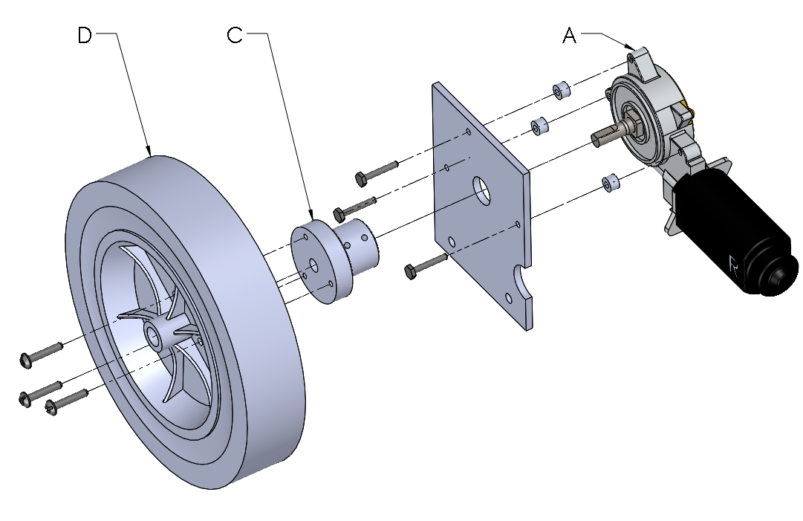
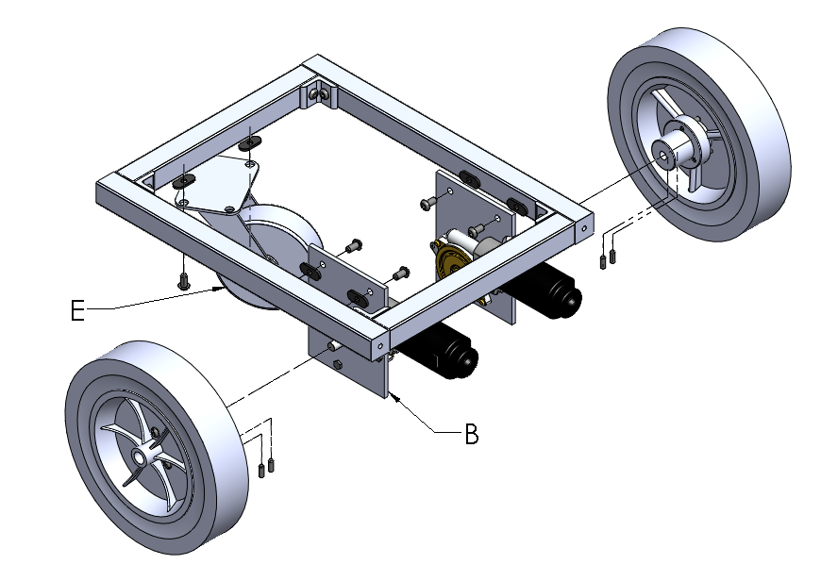
EML2322L Time Estimation for Part Manufacturing

EXAMPLE MOBILE PLATFORM ASSY

MANUFACTURING / ASSEMBLY PROCESS | Est. Time | Quantity | Subtotal
 | [min] | [-] | [min] | [hr]

DESIGN 1
retrieve pre-cut pieces of 80/20 off shelf | 5 | 6 | 30 | 0.5
mark & cut remaining 80/20 on bandsaw | 7.5 | 2 | 15 | 0.3

manufacture motor mount (like course example) | 72 | 2 | 144 | 2.4

manufacture wheel hub (like course example) | 205 | 1 | 205 | 3.4
modify wheel hub made earlier in the semester | 20 | 1 | 20 | 0.3

attach motor to motor mount [A] | 7.5 | 2 | 15 | 0.3
attach motor mount to robot frame [B] | 5 | 2 | 10 | 0.2
attach wheel hub to motor [C] | 8.5 | 2 | 17 | 0.3
attach wheel to wheel hub [D] | 8.5 | 2 | 17 | 0.3
attach caster wheel to robot frame [E] | 10 | 1 | 10 | 0.2
attach and wire control box for first time | 20 | 1 | 20 | 0.3

TOTAL: |  |  | 503 | 8.4

DESIGN 2
etcetera

NOTE 1: times are estimates based on experience; ask a TA if you have questions.

NOTE 2: refer to the image(s) shown below for clarification of the various tasks detailed in the table above; when detailing assembly time estimates for your individual concepts, include sketch copies from your DR1 submission, or present additonal sketches if the orignals do not clearly show all components.

